Sheet1
Count of First Name
300
 |  |  |  |  |  |  |  |  |  |  |  |  | Extra Bonus | Count of ID
 |  |  |  |  |  |  |  |  |  |  |  |  | 0.02 | 52
 |  |  |  |  |  |  |  |  |  |  |  |  | 0.05 | 150
 |  |  |  |  |  |  |  |  |  |  |  |  | 0.08 | 84
 |  |  |  |  |  |  |  |  |  |  |  |  | 0.10 | 14

 | Sum of Net Salary
 | 1242807.36 |  |  | Country | Count of Full Name
 |  |  |  | Egypt | 99 |  |  |  |  | MonyTransfere | Count of Full Name
 |  |  |  | Iraq | 53 |  |  |  |  | Debt Card | 111
 |  | Average of Experience Year |  | Saudi Arabia | 72 | Country | Count of Full Name |  |  | Hawala | 92
 |  | 19.113333333 |  | Sudan | 61 | Egypt | 99 |  |  | Master Card | 44
 |  |  |  | Syria | 15 | Iraq | 53 |  |  | Western Union | 53
 |  |  |  |  |  | Saudi Arabia | 72
 |  |  |  |  |  | Sudan | 61
 |  |  |  |  |  | Syria | 15

 |  |  |  |  |  |  | Count of Full Name | Work Type
 |  |  |  |  |  |  | Department | Contract | Full Time | Half-Time | Hourly
 |  |  |  |  |  |  | Account Management | 11 | 21 | 3 | 4
 |  |  | Hire Year | Sum of Net Salary | Count of ID |  | Creative | 2 | 2 |  | 1 | Gender | Count of Full Name
 |  |  | 1990 | 26916.06 | 7 |  | Engineering | 18 | 21 | 10 | 6 | Female | 115
 |  |  | 1991 | 38588.49 | 9 |  | IT | 11 | 9 | 3 | 1 | Male | 185
 |  |  | 1992 | 49356.03 | 13 |  | Manufacturing | 23 | 30 | 6 | 12
 |  |  | 1993 | 44172.21 | 12 |  | Marketing | 25 | 24 | 8 | 8
 |  |  | 1994 | 54419.88 | 11 |  | Product Development | 5 | 5
 | Contract | Full Time | Half-Time | Hourly
Account Management | 11 | 21 | 3 | 4
Creative | 2 | 2 |  | 1
Engineering | 18 | 21 | 10 | 6
IT | 11 | 9 | 3 | 1
Manufacturing | 23 | 30 | 6 | 12
Marketing | 25 | 24 | 8 | 8
Product Development | 5 | 5
Quality Control | 6 | 3 | 3 | 3
Sales | 6 | 6 | 3 | 1
 |  |  | 1995 | 37767.3 | 10 |  | Quality Control | 6 | 3 | 3 | 3
 |  |  | 1996 | 44135.94 | 11 |  | Sales | 6 | 6 | 3 | 1
 |  |  | 1997 | 20253.54 | 8
 |  |  | 1998 | 30495.63 | 6
 |  |  | 1999 | 35611.56 | 6
 |  |  | 2000 | 26495.7 | 8
 |  |  | 2001 | 40021.62 | 13
 |  |  | 2002 | 59696.7 | 11
 |  |  | 2003 | 31093.62 | 7
 |  |  | 2004 | 49900.08 | 12
 |  |  | 2005 | 25545.24 | 7
 |  |  | 2006 | 23720.58 | 6
 |  |  | 2007 | 34134.72 | 7
 |  |  | 2008 | 39246 | 10
 |  |  | 2009 | 24770.55 | 5
 |  |  | 2010 | 42225.72 | 8
 |  |  | 2011 | 41767.23 | 12
 |  |  | 2012 | 43816.95 | 9
 |  |  | 2013 | 34353.27 | 8
 |  |  | 2014 | 31633.95 | 8
 |  |  | 2015 | 39567.78 | 9
 |  |  | 2016 | 27471.27 | 6
 |  |  | 2017 | 34286.31 | 8
 |  |  | 2018 | 42804.18 | 10
 |  |  | 2019 | 38161.62 | 10
 |  |  | 2020 | 40934.88 | 11
 |  |  | 2021 | 35130.75 | 8
 |  |  | 2022 | 24808.68 | 7
 |  |  | 2023 | 29503.32 | 7

report1
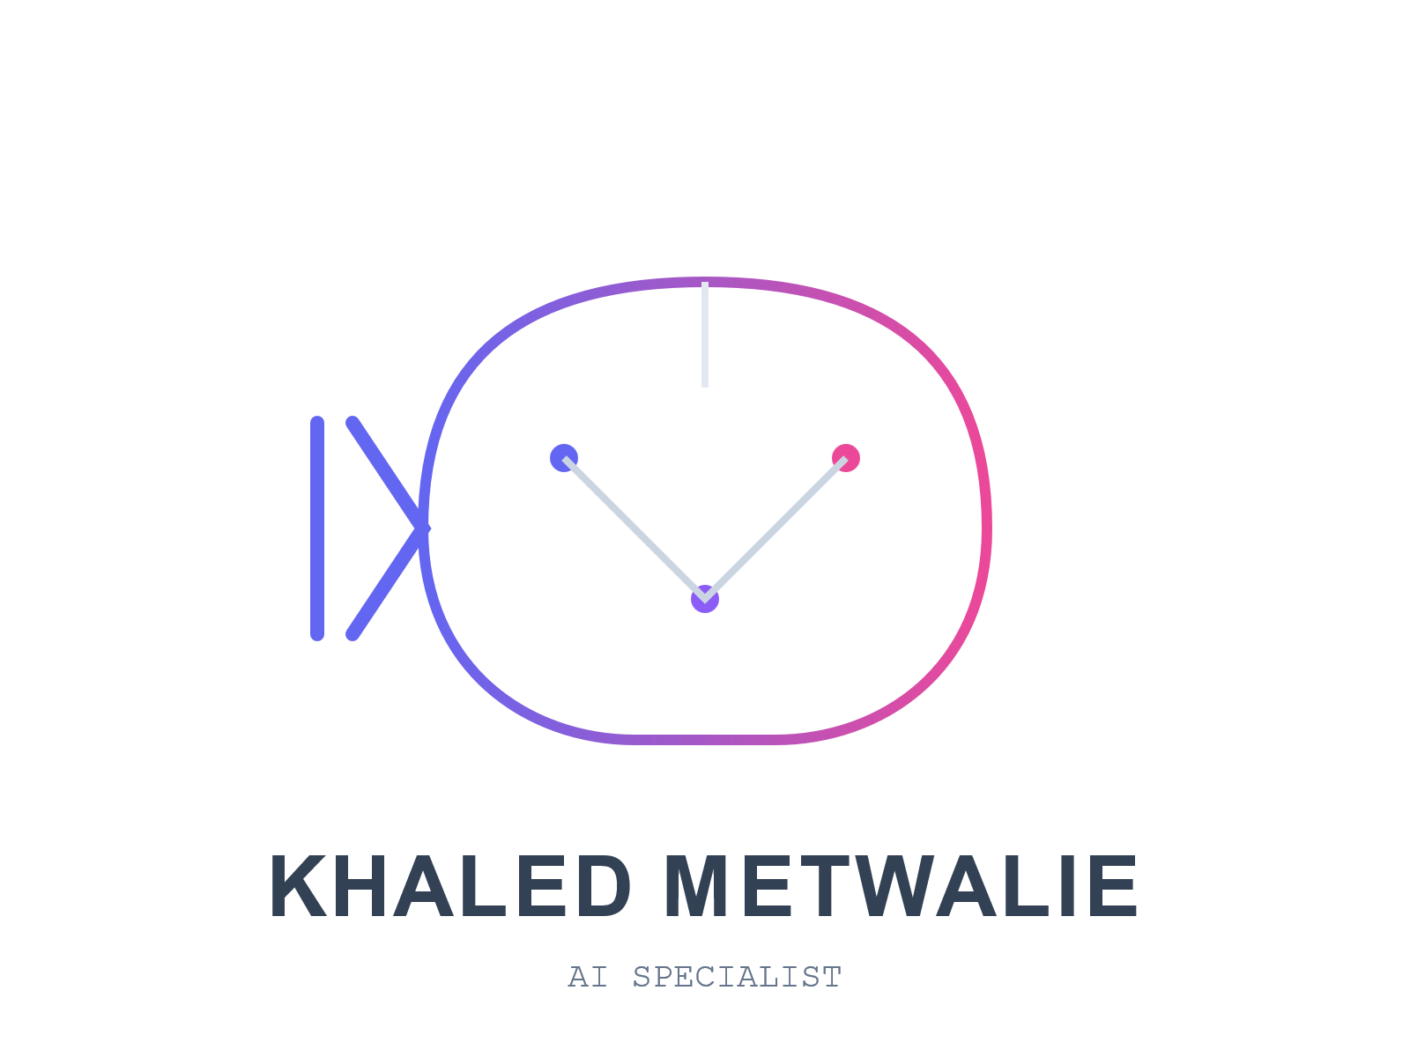
count of employees | 300 | average of ex.Y | 19.113333333 | total sales | 1242807.36
REPORT1
REPORT2
REPORT3
bonus by count of employees
 | Total
0.02 | 52
0.05 | 150
0.08 | 84
0.10 | 14
mode of transfer by employees
 | Total
Debt Card | 111
Hawala | 92
Master Card | 44
Western Union | 53

percentage of gender
 | Total
Female | 115
Male | 185
COUNT OF EMPLOYEES BY DEPARTMENT AND WORK TYPE
 | Contract | Full Time | Half-Time | Hourly
Account Management | 11 | 21 | 3 | 4
Creative | 2 | 2 |  | 1
Engineering | 18 | 21 | 10 | 6
IT | 11 | 9 | 3 | 1
Manufacturing | 23 | 30 | 6 | 12
Marketing | 25 | 24 | 8 | 8
Product Development | 5 | 5
Quality Control | 6 | 3 | 3 | 3
Sales | 6 | 6 | 3 | 1
total sales and count of employess by hiring year
 | Sum of Net Salary | Count of ID
1990 | 26916.06 | 7
1991 | 38588.49 | 9
1992 | 49356.03 | 13
1993 | 44172.21 | 12
1994 | 54419.88 | 11
1995 | 37767.3 | 10
1996 | 44135.94 | 11
1997 | 20253.54 | 8
1998 | 30495.63 | 6
1999 | 35611.56 | 6
2000 | 26495.7 | 8
2001 | 40021.62 | 13
2002 | 59696.7 | 11
2003 | 31093.62 | 7
2004 | 49900.08 | 12
2005 | 25545.24 | 7
2006 | 23720.58 | 6
2007 | 34134.72 | 7
2008 | 39246 | 10
2009 | 24770.55 | 5
2010 | 42225.72 | 8
2011 | 41767.23 | 12
2012 | 43816.95 | 9
2013 | 34353.27 | 8
2014 | 31633.95 | 8
2015 | 39567.78 | 9
2016 | 27471.27 | 6
2017 | 34286.31 | 8
2018 | 42804.18 | 10
2019 | 38161.62 | 10
2020 | 40934.88 | 11
2021 | 35130.75 | 8
2022 | 24808.68 | 7
2023 | 29503.32 | 7

report 2
count of employees | 300 | average of ex.Y | 19.113333333 | total sales | 1242807.36
REPORT1
REPORT2
REPORT3

percentage of gender
 | Total
Female | 115
Male | 185

report 3
count of employees | 300 | average of ex.Y | 19.113333333 | total sales | 1242807.36
REPORT1
REPORT2
REPORT3
bonus by count of employees
 | Total
0.02 | 52
0.05 | 150
0.08 | 84
0.10 | 14

total sales and count of employess by hiring year
 | Sum of Net Salary | Count of ID
1990 | 26916.06 | 7
1991 | 38588.49 | 9
1992 | 49356.03 | 13
1993 | 44172.21 | 12
1994 | 54419.88 | 11
1995 | 37767.3 | 10
1996 | 44135.94 | 11
1997 | 20253.54 | 8
1998 | 30495.63 | 6
1999 | 35611.56 | 6
2000 | 26495.7 | 8
2001 | 40021.62 | 13
2002 | 59696.7 | 11
2003 | 31093.62 | 7
2004 | 49900.08 | 12
2005 | 25545.24 | 7
2006 | 23720.58 | 6
2007 | 34134.72 | 7
2008 | 39246 | 10
2009 | 24770.55 | 5
2010 | 42225.72 | 8
2011 | 41767.23 | 12
2012 | 43816.95 | 9
2013 | 34353.27 | 8
2014 | 31633.95 | 8
2015 | 39567.78 | 9
2016 | 27471.27 | 6
2017 | 34286.31 | 8
2018 | 42804.18 | 10
2019 | 38161.62 | 10
2020 | 40934.88 | 11
2021 | 35130.75 | 8
2022 | 24808.68 | 7
2023 | 29503.32 | 7

